Sheet1
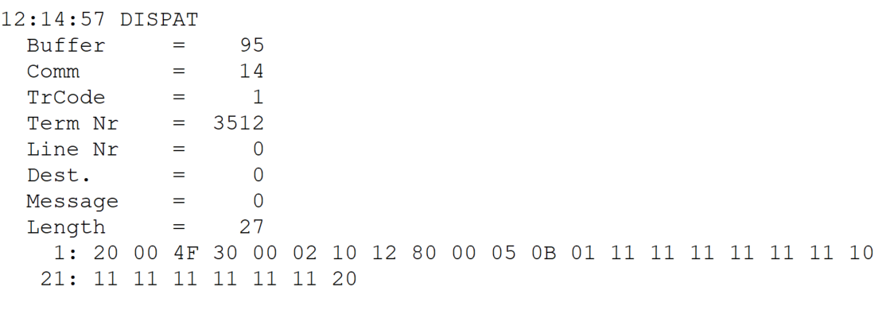
TestByte |  | Size | Field Contents
Start | End
1 | 1 | 1 | Control | Sequence | 20 | Control=0010 Sequence=0000 | Control=2 Sequence=0 | Control -> x10 - Application Message Sequence -> 0
2 | 2 | 1 | Type = 0 | Subtype = 0 | 00 | Type=0 SubType=0 | Type=0 SubType=0
3 | 4 | 2 | Checksum |  | 4F 30
5 | 5 | 1 | Statistics (see below) |  | 00
6 | 6 | 1 | Game Type |  | 02 |  | 2 | SPRT (Totobola)
7 | 7 | 1 | Game index | System type/Passive Bet Type | 10 | Game index=0001 System type=0000 | Game index=1 System type=0 | Totobola Normal (Game index=1) (System type= 0) = Simple bet
8 | 8 | 1 | Duration | No of Boards | 12 | Duration=0001 No of Boards=0010 | Duration=1 No of Boards=2 | Duration=1 (deprecated alls 1) alls pair number of Boards
9 | 10 | 2 | Option Flags (see below) |  | 80 00 |  | 32768 | x8000 Game Control Revision present. 2 bytes
11 | 11+n-1 | n | Option Data (see below) |  | 05 0B |  | 1291

TestByte |  | Size | Field Contents
Start | End
1 | n | n | Wager header
n + 1 |  | 1 | Must be set to zero (0) | Super 14: Bet | 01 |  | Super 14 = 1
 |  |  | 1X2 represented as 4 bits (a nibble). Each of the possible outcomes of a 1X2 is represented as 4 bits in the nibble where: Bit (3) = Away - Value 04 Bit (2) = Tie - Value 02 Bit (1) = Home -Value 01

REPEATED DATA BLOCK: Bytes n+2 to n+8 (7 bytes) are repeated as many times as No of Boards.
n + 2 |  | 1 | Row 1 Bet | Row 2 Bet | 11 | Row 1 Bet=0001 Row 2 Bet=0001 | Row 1 Bet=1 Row 2 Bet=1 | Home Home
n + 3 |  | 1 | Row 3 Bet | Row 4 Bet | 11 | Row 3 Bet=0001 Row 4 Bet=0001 | Row 3 Bet=1 Row 4 Bet=1 | Home Home
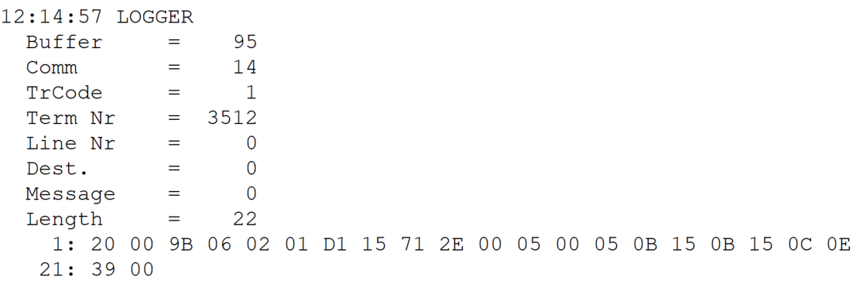
n + 4 |  | 1 | Row 5 Bet | Row 6 Bet | 11 | Row 5 Bet=0001 Row 6 Bet=0001 | Row 5 Bet=1 Row 6 Bet=1 | Home Home
n + 5 |  | 1 | Row 7 Bet | Row 8 Bet | 11 | Row 7 Bet=0001 Row 8 Bet=0001 | Row 7 Bet=1 Row 8 Bet=1 | Home Home
n + 6 |  | 1 | Row 9 Bet | Row 10 Bet | 11 | Row 9 Bet=0001 Row 10 Bet=0001 | Row 9 Bet=1 Row 10 Bet=1 | Home Home
n + 7 |  | 1 | Row 11 Bet | Row 12 Bet | 11 | Row 11 Bet=0001 Row 12 Bet=0001 | Row 11 Bet=1 Row 12 Bet=1 | Home Home
n + 8 |  | 1 | Row 13 Bet | Not used | 10 | Row 13 Bet=0001 0000 | Row 13 Bet=1 0 | Home
 |  |  | Each board made up of 13 1X2's (7bytes). Each 1X2 represented as 4 bits (a nibble). Each of the possible outcomes of a 1X2 is represented as 4 bits in the nibble where: Bit (3) = Away - Value 04 Bit (2) = Tie - Value 02 Bit (1) = Home -Value 01

n + 2 |  | 1 | Row 1 Bet | Row 2 Bet | 11 | Row 1 Bet=0001 Row 2 Bet=0001 | Row 1 Bet=1 Row 2 Bet=1 | Home Home
n + 3 |  | 1 | Row 3 Bet | Row 4 Bet | 11 | Row 3 Bet=0001 Row 4 Bet=0001 | Row 3 Bet=1 Row 4 Bet=1 | Home Home
n + 4 |  | 1 | Row 5 Bet | Row 6 Bet | 11 | Row 5 Bet=0001 Row 6 Bet=0001 | Row 5 Bet=1 Row 6 Bet=1 | Home Home
n + 5 |  | 1 | Row 7 Bet | Row 8 Bet | 11 | Row 7 Bet=0001 Row 8 Bet=0001 | Row 7 Bet=1 Row 8 Bet=1 | Home Home
n + 6 |  | 1 | Row 9 Bet | Row 10 Bet | 11 | Row 9 Bet=0001 Row 10 Bet=0001 | Row 9 Bet=1 Row 10 Bet=1 | Home Home
n + 7 |  | 1 | Row 11 Bet | Row 12 Bet | 11 | Row 11 Bet=0001 Row 12 Bet=0001 | Row 11 Bet=1 Row 12 Bet=1 | Home Home
n + 8 |  | 1 | Row 13 Bet | Not used | 20 | Row 13 Bet=0010 0000 | Row 13 Bet=2 0 | Tie
 |  |  | Each board made up of 13 1X2's (7bytes). Each 1X2 represented as 4 bits (a nibble). Each of the possible outcomes of a 1X2 is represented as 4 bits in the nibble where: Bit (3) = Away - Value 04 Bit (2) = Tie - Value 02 Bit (1) = Home -Value 01

